Cordon Map
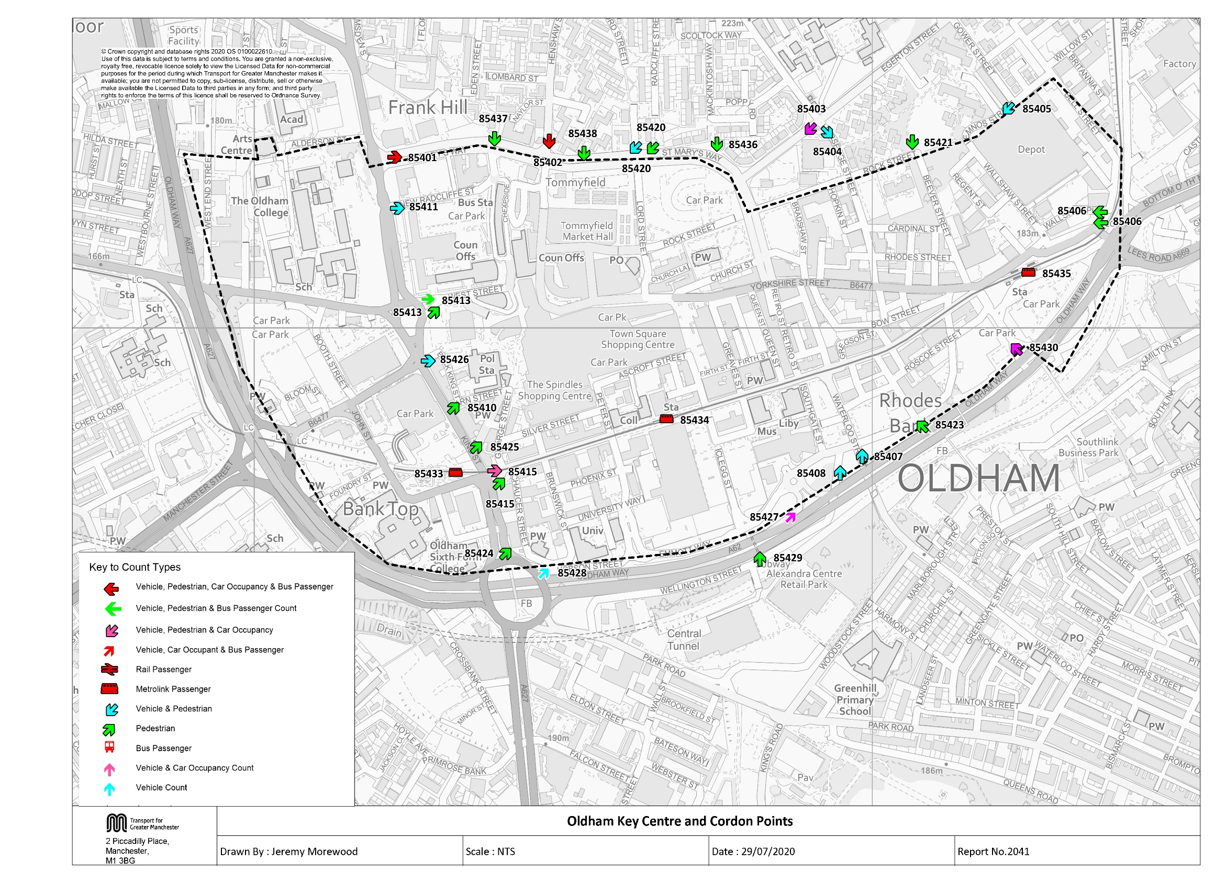

Table17 KC Traffic Trend
Table 17 Oldham Key Centre Inbound Vehicles 1997, 1998, 2001, 2004 & 2007 to 2019
Time Period | Year | Cars | LGV | OGV | Buses | M/C | P/C | All | Time Period | Year | Cars | LGV | OGV | Buses | M/C | P/C | All
07:30-09:30 | 1997 | 5970 | 578 | 185 | 337 | 25 | 53 | 7148 | 10:00-12:00 | 1997 | 4879 | 547 | 200 | 331 | 7 | 15 | 5979
 | 1998 | 6382 | 570 | 216 | 363 | 26 | 40 | 7597 |  | 1998 | 5263 | 568 | 212 | 353 | 19 | 15 | 6430
 | 1999 |  |  |  |  |  |  |  |  | 1999
 | 2000 |  |  |  |  |  |  |  |  | 2000
 | 2001 | 5127 | 500 | 109 | 269 | 29 | 24 | 6058 |  | 2001 | 3871 | 503 | 92 | 294 | 7 | 2 | 4769
 | 2002 |  |  |  |  |  |  |  |  | 2002
 | 2003 |  |  |  |  |  |  |  |  | 2003
 | 2004 | 6111 | 546 | 121 | 336 | 30 | 27 | 7171 |  | 2004 | 4494 | 522 | 116 | 348 | 12 | 16 | 5508
 | 2005 |  |  |  |  |  |  |  |  | 2005
 | 2006 |  |  |  |  |  |  |  |  | 2006
 | 2007 | 6757 | 697 | 160 | 308 | 34 | 31 | 7987 |  | 2007 | 5610 | 638 | 159 | 330 | 23 | 16 | 6776
 | 2008 | 7140 | 802 | 162 | 348 | 29 | 35 | 8516 |  | 2008 | 5541 | 680 | 156 | 359 | 16 | 19 | 6771
 | 2009 | 5997 | 738 | 166 | 316 | 35 | 39 | 7291 |  | 2009 | 5118 | 712 | 172 | 338 | 20 | 26 | 6386
 | 2010 | 6183 | 668 | 114 | 326 | 34 | 43 | 7368 |  | 2010 | 5008 | 675 | 88 | 334 | 24 | 30 | 6159
 | 2011 | 5717 | 600 | 125 | 320 | 37 | 61 | 6860 |  | 2011 | 4613 | 570 | 141 | 319 | 17 | 31 | 5691
 | 2012 | 6018 | 685 | 157 | 314 | 40 | 44 | 7258 |  | 2012 | 4919 | 642 | 132 | 332 | 15 | 13 | 6053
 | 2013 | 5449 | 635 | 107 | 302 | 29 | 46 | 6568 |  | 2013 | 4737 | 681 | 144 | 325 | 18 | 15 | 5920
 | 2014 | 5467 | 601 | 93 | 320 | 35 | 63 | 6579 |  | 2014 | 4289 | 585 | 115 | 327 | 22 | 16 | 5354
 | 2015 | 5937 | 688 | 87 | 255 | 25 | 42 | 7034 |  | 2015 | 4814 | 617 | 98 | 267 | 18 | 36 | 5850
 | 2016 | 5985 | 656 | 119 | 357 | 27 | 58 | 7202 |  | 2016 | 4759 | 636 | 99 | 393 | 17 | 44 | 5948
 | 2017 | 6395 | 544 | 121 | 253 | 17 | 41 | 7371 |  | 2017 | 5155 | 604 | 110 | 268 | 16 | 29 | 6182
 | 2018 | 6753 | 562 | 138 | 266 | 15 | 41 | 7775 |  | 2018 | 5203 | 581 | 126 | 288 | 20 | 22 | 6240
 | 2019 | 6519 | 560 | 147 | 291 | 12 | 31 | 7560 |  | 2019 | 5343 | 546 | 124 | 272 | 16 | 19 | 6320
Oldham Key Centre Inbound Vehicle Counts
 | 0730-0930 | 1000-1200 | 1600-1800
1997 | 7148 | 5979 | 5756
1998 | 7597 | 6430 | 5930
1999
2000
2001 | 6058 | 4769 | 5276
2002
2003
2004 | 7171 | 5508 | 5541
2005
2006
2007 | 7987 | 6776 | 7276
2008 | 8516 | 6771 | 7861
2009 | 7291 | 6386 | 6857
2010 | 7368 | 6159 | 6875
2011 | 6860 | 5691 | 5587
2012 | 7258 | 6053 | 6332
2013 | 6568 | 5920 | 5803
2014 | 6579 | 5354 | 5692
2015 | 7034 | 5850 | 6645
2016 | 7202 | 5948 | 6601
2017 | 7371 | 6182 | 7124
2018 | 7775 | 6239.6666667 | 6718.6666667
2019 | 7560 | 6320 | 6961
 | 2019/1997 | 1.09 | 0.97 | 0.79 | 0.86 | 0.48 | 0.58 | 1.06 |  | 2019/1997 | 1.10 | 1.00 | 0.62 | 0.82 | 2.29 | 1.27 | 1.06
16:00-18:00 | 1997 | 4819 | 434 | 108 | 337 | 16 | 42 | 5756
 | 1998 | 4986 | 429 | 93 | 355 | 15 | 52 | 5930
 | 1999
 | 2000
 | 2001 | 4495 | 400 | 46 | 300 | 15 | 20 | 5276
 | 2002
 | 2003
 | 2004 | 4706 | 416 | 52 | 310 | 21 | 36 | 5541
 | 2005
 | 2006
 | 2007 | 6278 | 582 | 59 | 291 | 38 | 28 | 7276
 | 2008 | 6801 | 599 | 48 | 352 | 30 | 31 | 7861
 | 2009 | 5851 | 554 | 51 | 325 | 34 | 42 | 6857
 | 2010 | 5874 | 540 | 39 | 326 | 32 | 64 | 6875
 | 2011 | 4710 | 428 | 46 | 306 | 40 | 57 | 5587
 | 2012 | 5378 | 524 | 58 | 317 | 25 | 30 | 6332
 | 2013 | 4870 | 506 | 55 | 296 | 28 | 48 | 5803
 | 2014 | 4782 | 479 | 34 | 308 | 26 | 63 | 5692
 | 2015 | 5628 | 628 | 32 | 264 | 28 | 65 | 6645
 | 2016 | 5672 | 523 | 30 | 285 | 37 | 54 | 6601
 | 2017 | 6225 | 552 | 59 | 223 | 23 | 42 | 7124
 | 2018 | 5902 | 455 | 53 | 254 | 14 | 41 | 6719
 | 2019 | 6105 | 470 | 62 | 251 | 16 | 57 | 6961
 | 2019/1997 | 1.27 | 1.08 | 0.57 | 0.74 | 1.00 | 1.36 | 1.21

Table 22 KC Car&Non-carTrips
Car and Non-Car Trips into Oldham Key Centre 07:30-09:30
 | Car | Bus | Walk | Rail/ML | Cycle
2001 | 6563 | 5455 | 1237 | 105 | 24
2002
2003
2004 | 8005 | 5189 | 1359 | 79 | 27
2005
2006
2007 | 9054 | 4375 | 1576 | 87 | 31
2008 | 9211 | 5279 | 1891 | 72 | 35
2009 | 8456 | 4629 | 2244 | 57 | 39
2010 | 8533 | 3959 | 2282 | 0 | 43
2011 | 7775 | 3615 | 2310 | 0 | 61
2012 | 8425 | 2569 | 2319 | 120 | 44
2013 | 7520 | 3686 | 2516 | 213 | 46
2014 | 7930 | 3212 | 2576 | 288 | 63
2015 | 8332 | 2676 | 2939 | 384 | 42
2016 | 8375 | 2337 | 2954 | 581 | 58
2017* | 8938 | 2337 | 2447 | 818 | 41
2018** | 9363 | 2499 | 2477.3333333 | 893 | 41
2019 | 9004 | 3281 | 2533 | 833 | 31
Table 22 Car and Non-Car Trips into Oldham Key Centre
Time Period | Year | Car | Bus | Rail/ ML | Cycle | Walk | Total | % Car | % Non-Car
07:30-09:30 | 2001 | 6563 | 5455 | 105 | 24 | 1237 | 13384 | 49 | 51
 | 2002
 | 2003
 | 2004 | 8005 | 5189 | 79 | 27 | 1359 | 14659 | 55 | 45
 | 2005
 | 2006
 | 2007 | 9054 | 4375 | 87 | 31 | 1576 | 15123 | 60 | 40
 | 2008 | 9211 | 5279 | 72 | 35 | 1891 | 16488 | 56 | 44
 | 2009 | 8456 | 4629 | 57 | 39 | 2244 | 15425 | 55 | 45
 | 2010 | 8533 | 3959 | - | 43 | 2282 | 14817 | 58 | 42
 | 2011 | 7775 | 3615 | - | 61 | 2310 | 13761 | 57 | 43
 | 2012 | 8425 | 2569 | 120 | 44 | 2319 | 13477 | 63 | 37
 | 2013 | 7520 | 3686 | 213 | 46 | 2516 | 13981 | 54 | 46
 | 2014 | 7930 | 3212 | 288 | 63 | 2576 | 14070 | 56 | 44
 | 2015 | 8332 | 2676 | 384 | 42 | 2939 | 14373 | 58 | 42
 | 2016 | 8375 | 2337 | 581 | 58 | 2954 | 14305 | 59 | 41
 | 2017* | 8938 | 2337 | 818 | 41 | 2447 | 14581 | 61 | 39
 | 2018** | 9363 | 2499 | 893 | 41 | 2477 | 15329 | 61 | 39
 | 2019 | 9004 | 3281 | 833 | 31 | 2533 | 15682 | 57 | 43
 | 2019/2001 | 1.37 | 0.60 | 7.93 | 1.29 | 2.05 | 1.17
Car and Non-Car Trips into Oldham Key Centre 10:00-12:00
 | Car | Bus | Walk | Rail/ML | Cycle
2001 | 5729 | 4002 | 2038 | 49 | 2
2002
2003
2004 | 6606 | 3284 | 2463 | 24 | 16
2005
2006
2007 | 8527 | 3082 | 2408 | 36 | 16
2008 | 7591 | 3907 | 2333 | 35 | 19
2009 | 7472 | 3647 | 2874 | 40 | 26
2010 | 7412 | 3557 | 2872 | 0 | 30
2011 | 6597 | 3262 | 3251 | 0 | 31
2012 | 7182 | 1857 | 2344 |  | 13
2013 | 7011 | 4287 | 2295 |  | 15
2014 | 6520 | 3233 | 3442 |  | 16
2015 | 7519 | 2553 | 3276 |  | 36
2016 | 7088 | 2030 | 2708 |  | 44
2017* | 7510 | 2030 | 2989 |  | 29
2018** | 7796 | 2265 | 2985.6666667 |  | 22
2019 | 7799 | 2562 | 3137 |  | 19
10:00-12:00 | 2001 | 5729 | 4002 | 49 | 2 | 2038 | 11820 | 48 | 52
 | 2002
 | 2003
 | 2004 | 6606 | 3284 | 24 | 16 | 2463 | 12393 | 53 | 47
 | 2005
 | 2006
 | 2007 | 8527 | 3082 | 36 | 16 | 2408 | 14069 | 61 | 39
 | 2008 | 7591 | 3907 | 35 | 19 | 2333 | 13885 | 55 | 45
 | 2009 | 7472 | 3647 | 40 | 26 | 2874 | 14059 | 53 | 47
 | 2010 | 7412 | 3557 | - | 30 | 2872 | 13871 | 53 | 47
 | 2011 | 6597 | 3262 | - | 31 | 3251 | 13141 | 50 | 50
 | 2012 | 7182 | 1857 | 52 | 13 | 2344 | 11448 | 63 | 37
 | 2013 | 7011 | 4287 | 108 | 15 | 2295 | 13716 | 51 | 49
 | 2014 | 6520 | 3233 | 269 | 16 | 3442 | 13480 | 48 | 52
 | 2015 | 7519 | 2553 | 330 | 36 | 3276 | 13713 | 55 | 45
 | 2016 | 7088 | 2030 | 428 | 44 | 2708 | 12298 | 58 | 42
 | 2017* | 7510 | 2030 | 566 | 29 | 2989 | 13124 | 57 | 43
 | 2018** | 7796 | 2265 | 616 | 22 | 2986 | 13684 | 57 | 43
 | 2019 | 7799 | 2562 | 654 | 19 | 3137 | 14171 | 55 | 45
 | 2019/2001 | 1.36 | 0.64 | 13.35 | 9.50 | 1.54 | 1.20
Car and Non-Car Trips into Oldham Key Centre 16:00-18:00
 | Car | Bus | Walk | Rail/ML | Cycle
2001 | 6428 | 2630 | 1616 | 232 | 20
2002
2003
2004 | 6824 | 2687 | 1884 | 58 | 36
2005
2006
2007 | 9166 | 1880 | 1636 | 128 | 28
2008 | 9385 | 2914 | 1799 | 50 | 31
2009 | 8718 | 2866 | 1963 | 35 | 42
2010 | 8459 | 3024 | 2244 | 0 | 64
2011 | 6782 | 2558 | 2328 | 0 | 57
2012 | 7583 | 2048 | 1942 | 189 | 30
2013 | 7256 | 2844 | 2232 | 198 | 48
2014 | 7445 | 2611 | 2313 | 263 | 63
2015 | 8559 | 2355 | 2298 | 504 | 65
2016 | 8481 | 1791 | 2062 | 638 | 54
2017* | 8826 | 1791 | 2335 | 843 | 42
2018** | 8757 | 1678 | 2115.3333333 | 965 | 41
2019 | 8743 | 1893 | 2518 | 811 | 57
16:00-18:00 | 2001 | 6428 | 2630 | 232 | 20 | 1616 | 10926 | 59 | 41
 | 2002
 | 2003
 | 2004 | 6824 | 2687 | 58 | 36 | 1884 | 11489 | 59 | 41
 | 2005
 | 2006
 | 2007 | 9166 | 1880 | 128 | 28 | 1636 | 12838 | 71 | 29
 | 2008 | 9385 | 2914 | 50 | 31 | 1799 | 14179 | 66 | 34
 | 2009 | 8718 | 2866 | 35 | 42 | 1963 | 13624 | 64 | 36
 | 2010 | 8459 | 3024 | - | 64 | 2244 | 13791 | 61 | 39
 | 2011 | 6782 | 2558 | - | 57 | 2328 | 11725 | 58 | 42
 | 2012 | 7583 | 2048 | 189 | 30 | 1942 | 11792 | 64 | 36
 | 2013 | 7256 | 2844 | 198 | 48 | 2232 | 12578 | 58 | 42
 | 2014 | 7445 | 2611 | 263 | 63 | 2313 | 12695 | 59 | 41
 | 2015 | 8559 | 2355 | 504 | 65 | 2298 | 13780 | 62 | 38
 | 2016 | 8481 | 1791 | 638 | 54 | 2062 | 13027 | 65 | 35
 | 2017* | 8826 | 1791 | 843 | 42 | 2335 | 13837 | 64 | 36
 | 2018** | 8757 | 1678 | 965 | 41 | 2115 | 13556 | 65 | 35
 | 2019 | 8743 | 1893 | 811 | 57 | 2518 | 14022 | 62 | 38
 | 2019/2001 | 1.36 | 0.72 | 3.50 | 2.85 | 1.56 | 1.28

Note: Oldham Mumps Rail Station was permanently closed in October 2009 prior to Metrolink conversion works. A temporary Metrolink station was opened at Oldham Mumps in June 2012 and was superseded by a permanent stop in January 2014, along with additional stops at Oldham King Street and Oldham Central.

*BUS OCCUPANCY DATA 2017: Due to issues with the 2017 surveys which rendered the data wholly unreliable, the bus trip data presented here is derived from surveys conducted in 2016.

**BUS OCCUPANCY DATA 2018: A number of issues involving camera positioning, glare and light conditions affected bus occupancy surveys in 2018 rendering the survey results less reliable than the desired standard - users may wish to consider this when employing the data. The following sites were affected;

85401 (St Mary's Way): The lower and upper deck bus occupancy is missing for 39% and 70% of bus services recorded respectively - where this has occurred, an estimation of lower and upper deck bus occupants has been applied to each bus based on other available data.

85406 (B6477 Mumps) : Whilst all buses passing the site were observed, the position of the cameras meant that some upper deck passengers may have been omitted.
85413 (West Street): The lower and upper deck bus occupancy is missing for 46% and 28% of bus services recorded respectively - where this has occurred, an estimation of lower and upper deck bus occupants has been applied to each bus based on other available data.

